Schizophrenia Drug Peak Sales
Comparison of Selected Atypical Antipsychotics (Second-generation antipsychotics)
Company | Branded | Generic | Mode | Indication** | Approved | Peak Sales | Peak Year | Blackbox? | Safety Notes | Label
Novartis (NVS) | Clozaril | clozapine | Oral | TR-SCZ, Reducing Suicide Risk | 1989 | $0.4B | ~2012 | Neutropenia, Hypotension, Bradycardia, Syncope, Mortality, Seizure, Myocarditis, Cardiomyopathy | White blood cell decrease, heart inflammation | https://www.accessdata.fda.gov/drugsatfda_docs/label/2017/019758s084lbl.pdf | x
Janssen (JNJ) | Risperdal | risperidone | Oral | SCZ, BP1 (Manic/Mixed)*, ASD (Irritability) | 1993 | $4.5B | 2007 | Mortality | Less sedating but more extrapyramidal side effects | http://www.janssenlabels.com/package-insert/product-monograph/prescribing-information/RISPERDAL-pi.pdf | x
Eli Lilly (LLY) | Zyprexa | olanzapine | Oral, IM | SCZ, BP1 (Manic/Mixed), BP1 depression*, TRD* | 1996 | $5.0B | 2010 | Mortality | Less extrapyramidal side effects but increases weight and blood sugar | https://www.accessdata.fda.gov/drugsatfda_docs/label/2014/020592s062021086s040021253s048lbl.pdf | x
AstraZeneca (AZN) | Seroquel | quetiapine | Oral | SCZ, BP1 (Manic), Bipolar depression | 1997 | $6.2B | 2011 | Mortality, Suicidality | Less motor side effects but more weight gain and hypertension | https://www.accessdata.fda.gov/drugsatfda_docs/label/2013/020639s061lbl.pdf | x
Pfizer (PFE) | Geodon | ziprasidone | Oral , IM | SCZ, BP1 (Manic/Mixed)* | 2001 | $1.4B | 2011 | Mortality | Heart arrhythmia, hypertension, dizziness | http://labeling.pfizer.com/ShowLabeling.aspx?format=PDF&id=584 | x
Otsuka/ Bristol Myers (BMY) | Abilify | aripiprazole | Oral , IM | SCZ, BP1 (Manic/Mixed), MDD*, ASD (Irritability), TS | 2002 | $7.4B | 2011 | Mortality, Suicidality | Weight gain, headache, agitation, anxiety, insomnia, nausea | https://www.accessdata.fda.gov/drugsatfda_docs/label/2014/021436s038,021713s030,021729s022,021866s023lbl.pdf | x
Johnson & Johnson (JNJ) | Invega/ Invega Sustenna | paliperidone | IM | SCZ, SZA | 2006 | $4.2B | 2024 | Mortality | Restlessness, weight gain, sedation | https://www.accessdata.fda.gov/drugsatfda_docs/label/2017/022264s023lbl.pdf | x
Allergan (AGN) | Saphris | asenapine | Oral | SCZ, BP1 (Manic/Mixed) | 2009 | $0.2B | 2016 | Mortality | Stroke, ischemic attacks, QT prolongation, seizures, hypotension | https://www.accessdata.fda.gov/drugsatfda_docs/label/2017/022117s020s021lbl.pdf | x
Vanda (VNDA) | Fanapt/ Zomaril | Iloperidone | Oral | SCZ, BP1 (Manic/Mixed) | 2009 | $0.2B | 2027 | Mortality | Weight gain, seizures, hypotension, suicide, cognitive impairment | https://www.accessdata.fda.gov/drugsatfda_docs/label/2016/022192s017lbl.pdf | x
Sunovion | Latuda | Lurasidone | Oral | SCZ, BP1 depression | 2010 | $1.8B | 2021 | Mortality, Suicidality | Stroke, ischemic attack, neuroleptic malignant syndrome, weight gain | https://www.latuda.com/LatudaPrescribingInformation.pdf | x
Otsuka/ Lundbeck | Rexulti | brexpiprazole | Oral | SCZ, MDD, ADA* | 2015 | $2.6B | 2028 | Mortality, Suicidality | Stroke, ischemic attacks, weight gain, hypotension, seizures | https://www.otsuka-us.com/media/static/Rexulti-PI.pdf | x | -
Allergan (AGN)/ AbbVie (ABBV) | Vraylar | cariprazine | Oral | SCZ, BP1 (Manic/Mixed), BP1 depression, MDD | 2015 | $4.5B | 2029 | Mortality, Suicidality | Stroke, ischemic attacks, weight gain, hypotension, seizures | https://www.allergan.com/assets/pdf/vraylar_pi | x | -
Intracellular (ITCI)/ Johnson & Johnson (JNJ) | Caplyta | lumateperone | Oral | SCZ, Bipolar depression, MDD | 2019 | $5.0B | 2040 | Mortality | Stroke, ischemic attacks, weight gain, metabolic changes, hypotension, seizures
Alkermes (ALKS) | Lybalvi | olanzapine and samidorphan | Oral | SCZ, BP1 (Manic/Mixed) | 2021 | $0.6B | 2031 | Mortality | Stroke, ischemic attacks, weight gain, metabolic changes, hypotension, seizures |  | x | -
* Efficacy Comparison of Approved Second-Generation Antipsychotics (Positive, Placebo-Controlled Datasets Mentioned in Their Respective FDA Labels)
** Schizophrenia (SCZ); Treatment-resistant schizophrenia (TR-SCZ); Schizoaffective disorder (SZA); Bipolar 1 disorder (BP1); Major depressive disorder (MDD); Tourettes syndrome (TS);
Autism spectrum disorder (ASD); Treatment-Resistant Depression (TRD); Alzheimer's Disease Agitation (ADA)

 | Alzheimer's Psychosis | Schizophrenia | All indications
Abilify (2011) |  |  | $7.4
Seroquel (2011) |  |  | $6.2
Cobenfy (2035E) | $2.0 | $3.5 | $5.5
Zyprexa (2010) |  |  | $5.0
Caplyta (2040E) |  |  | $5.0
Risperdal (2007) |  |  | $4.5
Vraylar (2029E) |  |  | $4.5
Invega* (2024) |  |  | $4.2
ML-007C-MA (2045E) | $2.1 | $1.3 | $3.4
Rexulti (2028E) |  |  | $2.6
Latuda (2021) |  |  | $1.8
Geodon (2011) |  |  | $1.4
Lybalvi (2031E) |  |  | $0.6
Clozaril (2012) |  |  | $0.4
Fanapt (2027E) |  |  | $0.2
Saphris (2016) |  |  | $0.2
 | All | SCZ | ADP
Abilify (2011) | $7.4
Seroquel (2011) | $6.2
Cobenfy (2035E) | $5.5 | $3.5 | $2.0
Zyprexa (2010) | $5.0
Caplyta (2040E) | $5.0
Risperdal (2007) | $4.5
Vraylar (2029E) | $4.5
Invega* (2024) | $4.2
ML-007C-MA (2045E) | $3.4 | $1.3 | $2.1
Rexulti (2028E) | $2.6
Latuda (2021) | $1.8
Geodon (2011) | $1.4
Lybalvi (2031E) | $0.6
Clozaril (2012) | $0.4
Fanapt (2027E) | $0.2
Saphris (2016) | $0.2

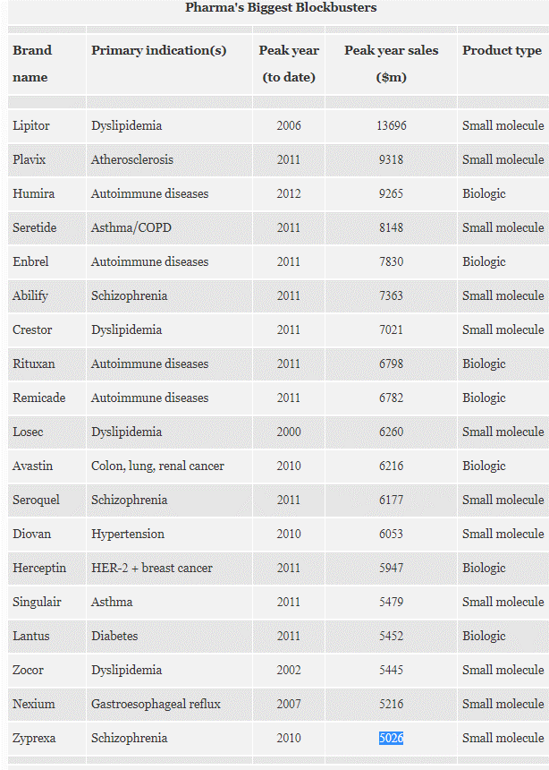
 |  |  |  |  |  |  | Risperidal
https://www.forbes.com/sites/simonking/2013/01/28/the-best-selling-drugs-of-all-time-humira-joins-the-elite/#4d1e81f35110 | x |  |  |  |  |  | It can cause strokes among the elderly. And it can cause boys to grow large, pendulous breasts; one boy developed a 46DD bust.
 |  |  |  |  |  |  | https://www.justice.gov/sites/default/files/usao-edpa/legacy/2014/02/11/JanssenPharma_information.pdf
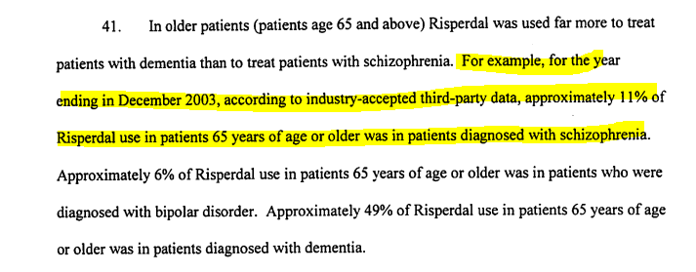

* Scores were determined by taking the average scores from all positive trials (mentioned in the label)

******* Single trial evaluating efficacy using the BPRS endpoint - no PANSS data available

Cobenfy Launch
 |  |  |  |  |  |  |  |  |  | Source: Factset
 |  |  |  |  |  |  |  |  |  |  |  | Launch Aligned
 | Q4:24 | Q1:25 | Q2:25 | Q3:25 | Q4:25 | Q1:26E | Q2:26E | Q3:26E | Q4:26E |  |  |  | Q1 | Q2 | Q3 | Q4 | Q5 | Q6 | Q7 | Q8 | Q9
Total | $10 | $27 | $35 | $43 | $51 | $61 | $74 | $88 | $105 |  |  | Latuda (2011) | $35 | $6 | $7 | $38 | $39 | $41 | $60 | $62 | $50
US | $10 | $27 | $35 | $43 | $50 |  |  |  |  |  |  | Lybalvi (2021) | $4 | $7 | $10 | $14 | $18 | $19 | $24 | $25 | $28
% | 100% | 100% | 100% | 100% | 98% | 0% | 0% | 0% | 0% |  |  | Caplyta (2019) | $1 | $2 | $7 | $12 | $16 | $19 | $22 | $26
Int'l | $0 | $0 | $0 | $0 | $1 |  |  |  |  |  |  | Cobenfy (2024) | $10 | $27 | $35 | $43 | $51 | $61 | $74 | $88 | $105
% | 0% | 0% | 0% | 0% | 2% | 0% | 0% | 0% | 0%
 | Blue = Cons estimate

 |  |  |  |  |  |  |  |  |  |  | Drug | 1Q11 | 2Q11 | 3Q11 | 4Q11 | 1Q12 | 2Q12 | 3Q12 | 4Q12 | 1Q13 | 2Q13 | 3Q13 | 4Q13 | 1Q14 | 2Q14 | 3Q14 | 4Q14 | 1Q15 | 2Q15 | 3Q15 | 4Q15 | 1Q16 | 2Q16 | 3Q16 | 4Q16 | 1Q17 | 2Q17 | 3Q17 | 4Q17 | 1Q18 | 2Q18 | 3Q18 | 4Q18 | 1Q19 | 2Q19 | 3Q19 | 4Q19 | 1Q20 | 2Q20 | 3Q20 | 4Q20 | 1Q21 | 2Q21 | 3Q21 | 4Q21 | 1Q22 | 2Q22 | 3Q22 | 4Q22 | 1Q23 | 2Q23 | 3Q23 | 4Q23 | 1Q24 | 2Q24 | 3Q24 | 4Q24 | 1Q25 | 2Q25 | 3Q25 | 4Q25
 |  |  |  |  |  |  |  |  |  |  | Latuda (Sumitomo) | 35 | 6 | 7 | 38 | 39 | 41 | 60 | 62 | 50 | 68 | 94 | 127 | $132 | $180 | $174 | $201 | $197 | $218 | $254 | $257 | $273 | $291 | $293 | $327 | $343 | $395 | $384 | $431 | $401 | $402 | $411 | $443 | $407 | $445 | $428 | $435 | $435 | $493 | $485 | $535 | $433 | $469 | $451 | $493 | $403 | $482 | $470 | $361 | $152 | $8 | $21 | $7 | $11 | $3 | $3 | $4
 |  |  |  |  |  |  |  |  |  |  | Caplyta (ITCI/JNJ) |  |  |  |  |  |  |  |  |  |  |  |  |  |  |  |  |  |  |  |  |  |  |  |  |  |  |  |  |  |  |  |  |  |  |  |  | $1 | $2 | $7 | $12 | $16 | $19 | $22 | $26 | $35 | $55 | $72 | $87 | $95 | $110 | $126 | $132 | $145 | $161 | $175 | $199 | $205.1 | $211.0 | $240.0
 |  |  |  |  |  |  |  |  |  |  | Lybalvi (ALKS) |  |  |  |  |  |  |  |  |  |  |  |  |  |  |  |  |  |  |  |  |  |  |  |  |  |  |  |  |  |  |  |  |  |  |  |  |  |  |  |  |  |  |  | $8 | $14 | $20 | $27 | $35 | $38 | $47 | $51 | $56 | $57 | $71 | $75 | $77 | $70.0 | $84.3 | $98.2
 | 2024 | 2025E | 2026E | 2027E | 2028E | 2029E | 2030E | 2031E | 2032E | 2033E
Total | $10 | $173 | $494 | $1,024 | $1,689 | $2,449 | $3,189 | $3,865 | $4,531 | $4,807

 | Blue = Cons estimate

Cobenfy Launch-Aligned Sales are Tracking Ahead of Other Schizophrenia Benchmarks
 | Latuda (2011) | Caplyta (2019) | Lybalvi (2021) | Cobenfy (2024)
Q1 | $35 | $1 | $4 | $10
Q2 | $6 | $2 | $7 | $27
Q3 | $7 | $7 | $10 | $35
Q4 | $38 | $12 | $14 | $43
Q5 | $39 | $16 | $18 | $51
Q6 | $41 | $19 | $19 | $61
Q7 | $60 | $22 | $24 | $74
Q8 | $62 | $26 | $25 | $88
Q9 | $50 |  | $28 | $105

ASD
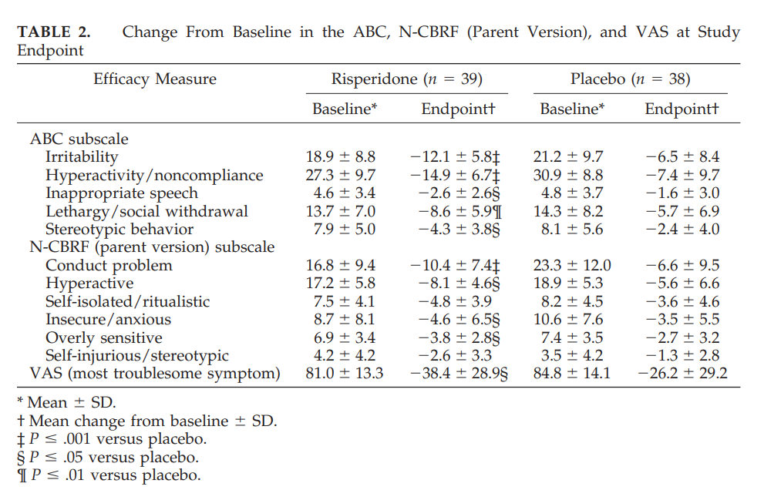
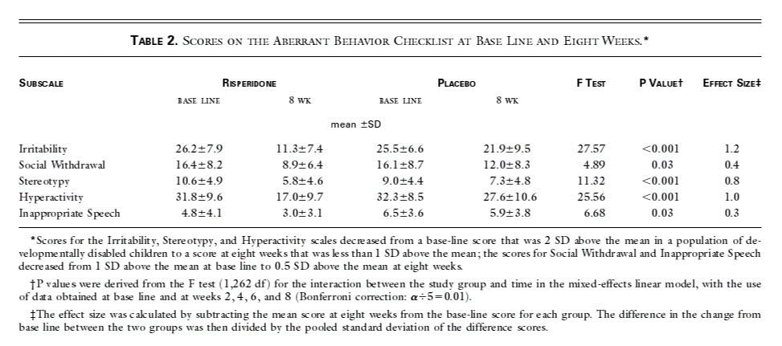
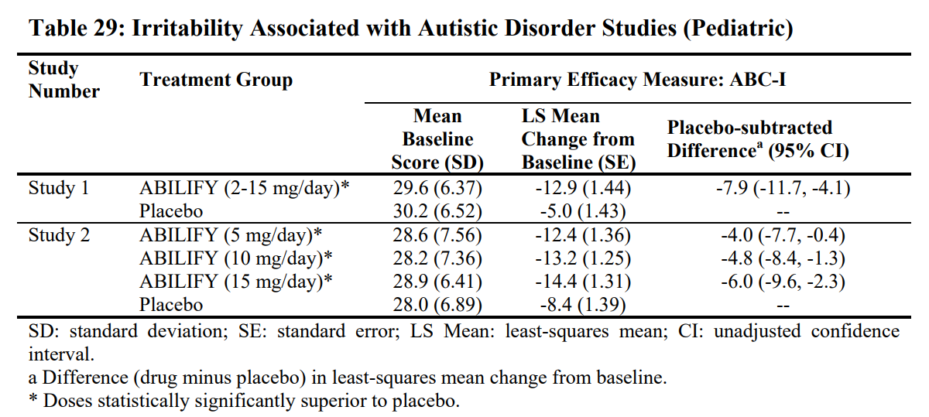
ABC-I Subscale - Percent Reduction (or Improvement) Achieved by Drugs for Irritability in Autism Spectrum Disorder (ASD)
Company | Drug | Status | Study | Design | Duration | Age | N | Dose | Baseline ABC-I | Efficacy Change | Pbo Δ Change | % | Pbo Δ Change
Otsuka/ BMY | Abilify | Approved | Study 1 | Pbo-Controlled | 8 Weeks | 6-17 | 98 | 2-15mg QD | 29.6 | -12.9 | -7.9 | -44% | -27% | https://www.accessdata.fda.gov/drugsatfda_docs/label/2014/021436s038,021713s030,021729s022,021866s023lbl.pdf | x | met the DSM-IV criteria for autistic disorder
 |  |  |  |  |  |  |  | Placebo | 30.2 | -5.0 | - | -17% | - |  |  | Over 75% of these subjects were under 13 years of a
 |  |  | Study 2 | Pbo-Controlled | 8 Weeks | 6-17 | 218 | 15mg QD | 28.9 | -14.4 | -6.0 | -50% | -20%
 |  |  |  |  |  |  |  | 10mg QD | 28.2 | -13.2 | -4.8 | -47% | -17%
 |  |  |  |  |  |  |  | 5mg QD | 28.6 | -12.4 | -4.0 | -43% | -13%
 |  |  |  |  |  |  |  | Placebo | 28.0 | -8.4 | - | -30% | -
JNJ | Risperdal | Approved | Study 1 | Pbo-Controlled | 8 Weeks | 5-16 | 101 | 0.5-3.5mg BID | 26.2 | -14.9 | -11.3 | -57% | -43% | https://www.accessdata.fda.gov/drugsatfda_docs/label/2009/020272s056,020588s044,021346s033,021444s03lbl.pdf | x | met the DSM-IV criteria for autistic disorder
 |  |  |  |  |  |  |  | Placebo | 25.5 | -3.6 | - | -14% | - | https://www.nejm.org/doi/10.1056/NEJMoa013171?url_ver=Z39.88-2003&rfr_id=ori:rid:crossref.org&rfr_dat=cr_pub%3dwww.ncbi.nlm.nih.gov | x | Over 90% of these subjects were under 12 years of age and most weighed over 20 kg (16-104.3 kg)
 |  |  | Study 2 | Pbo-Controlled | 8 Weeks | 5-12 | 55 | 0.02-0.06mg/kg QD | 18.9 | -12.1 | -5.6 | -64% | -33% | https://pediatrics.aappublications.org/content/pediatrics/114/5/e634.full.pdf?download=true | x
 |  |  |  |  |  |  |  | Placebo | 21.2 | -6.5 | - | -31% | -
*Mean improvement

Disclaimer
This material was prepared by personnel who are associated with Jefferies (Jefferies International Limited, Jefferies Hong Kong Limited, Jefferies Singapore Limited, Jefferies (Japan) Limited, Tokyo Branch, Jefferies India Private Limited, Jefferies (Australia) Pty Ltd); or by personnel who are associated with both Jefferies LLC and Jefferies Research Services LLC (“JRS”). Jefferies LLC is a US registered broker-dealer and is affiliated with JRS, which is a US registered investment adviser. JRS does not create tailored or personalized research and all research provided by JRS is impersonal. If you are paying separately for this research, it is being provided to you by JRS. Otherwise, it is being provided by Jefferies LLC. Jefferies LLC, JRS, and their affiliates are collectively referred to below as “Jefferies”. The information upon which this material is based was obtained from sources believed to be reliable, but has not been independently verified, therefore, we do not guarantee its accuracy. Additional and supporting information is available upon request. This is not an offer or solicitation of an offer to buy or sell any security or investment. Any opinion or estimates constitute our best judgment as of this date, and are subject to change without notice. Members of Jefferies and their respective directors, officers and employees may buy or sell securities mentioned herein as agent or principal for their own account. Upon request members of Jefferies may provide specialized research products or services to certain customers focusing on the prospects for individual covered stocks as compared to other covered stocks over varying time horizons or under differing market conditions. While the views expressed in these situations may not always be directionally consistent with the long-term views expressed in the analyst's published research, the analyst has a reasonable basis and any inconsistencies can be reasonably explained. In Australia, this report may contain general advice. Where this report refers to a particular financial product, you should obtain a copy of the relevant product disclosure statement or offer document before making any decision in relation to the product. This report may contain forward looking statements that may be affected by inaccurate assumptions or by known or unknown risks, uncertainties and other important factors. As a result, the actual results, events, performance or achievements of the financial product may be materially different from those expressed or implied in such statements. Past performance is not indicative of future performance.
This report/model may contain information obtained from third parties, including ratings from credit ratings agencies such as Standard & Poor’s. Reproduction and distribution of third party content in any form is prohibited except with the prior written permission of the applicable third party. Third party content providers do not guarantee the accuracy, completeness, timeliness or availability of any information, including ratings, and are not responsible for any errors or omissions (negligent or otherwise), regardless of the cause, or for the results obtained from the use of such content. Third party content providers do not provide any express or implied warranties, including, but not limited to, any warranties of merchantability or fitness for a particular purpose or use. Third party content providers are not liable for any direct, indirect, incidental, exemplary, compensatory, punitive, special or consequential damages, costs, expenses, legal fees, or losses (including lost income or profits and opportunity costs) in connection with any use of their content, including ratings. Credit ratings are statements of opinions and are not statements of fact or recommendations to purchase, hold or sell securities. Such credit ratings do not address the suitability of securities or the suitability of securities for investment purposes, and should not be relied on as investment advice.
This report/model or any portion hereof may not be reprinted, sold or redistributed without the written consent of Jefferies or its affiliates. Neither Jefferies or its affiliates nor any officer nor employee of Jefferies or its affiliates accepts any liability whatsoever for any direct, indirect or consequential damages or losses of any kind arising from any use of this report/model or its contents.
For Important Disclosure information, please visit our website at https://javatar.bluematrix.com/sellside/Disclosures.action or call 1.888.JEFFERIES.

